Unpaid
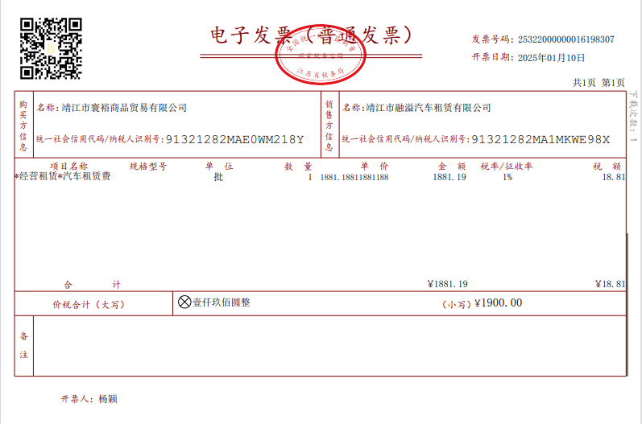

10-Jan-25
Car rental fee:RMB1,900
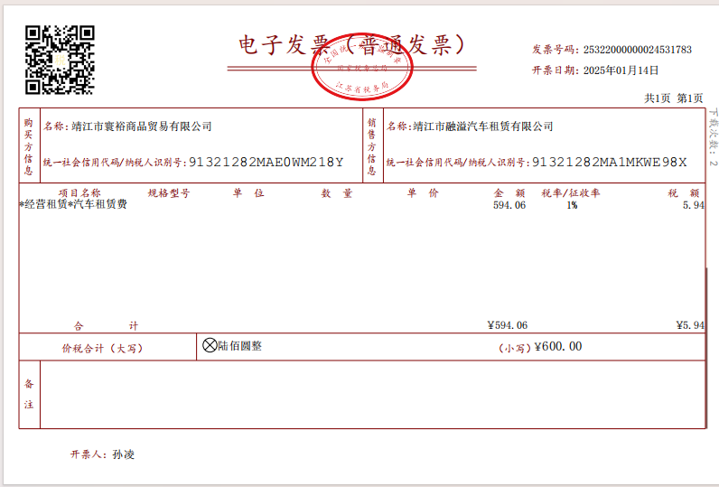

14-Jan-25
Car rental fee:RMB600
date |  | amount/RMB
8-Jan-25 | wuxi airport to jingjiang office,Bobby,Kitman,Julia,Ikki | 1,900
9-Jan-25 | jingjiang office to shanghai's hotel,Bobby
11-Jan-25 | jingjiang to wuxi airport,Kitman,Julia,Ikki | 600
 |  | 2,500
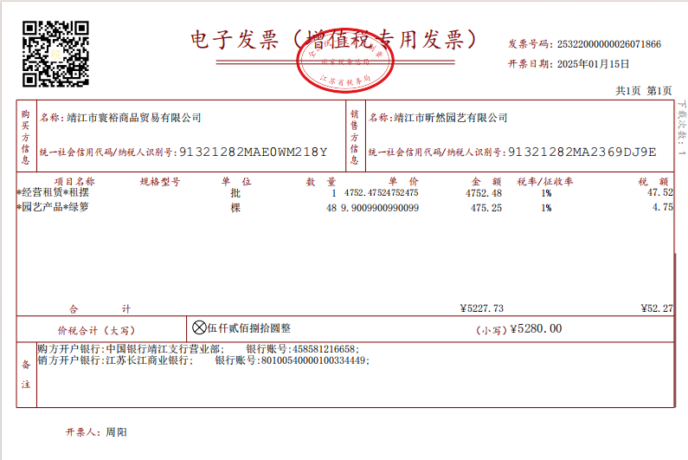

15-Jan-25
Green plant rental fee for Jingjiang office:RMB5,280

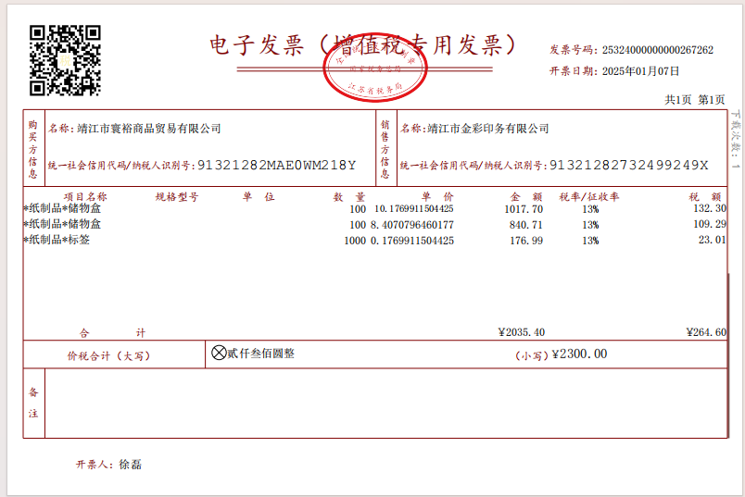

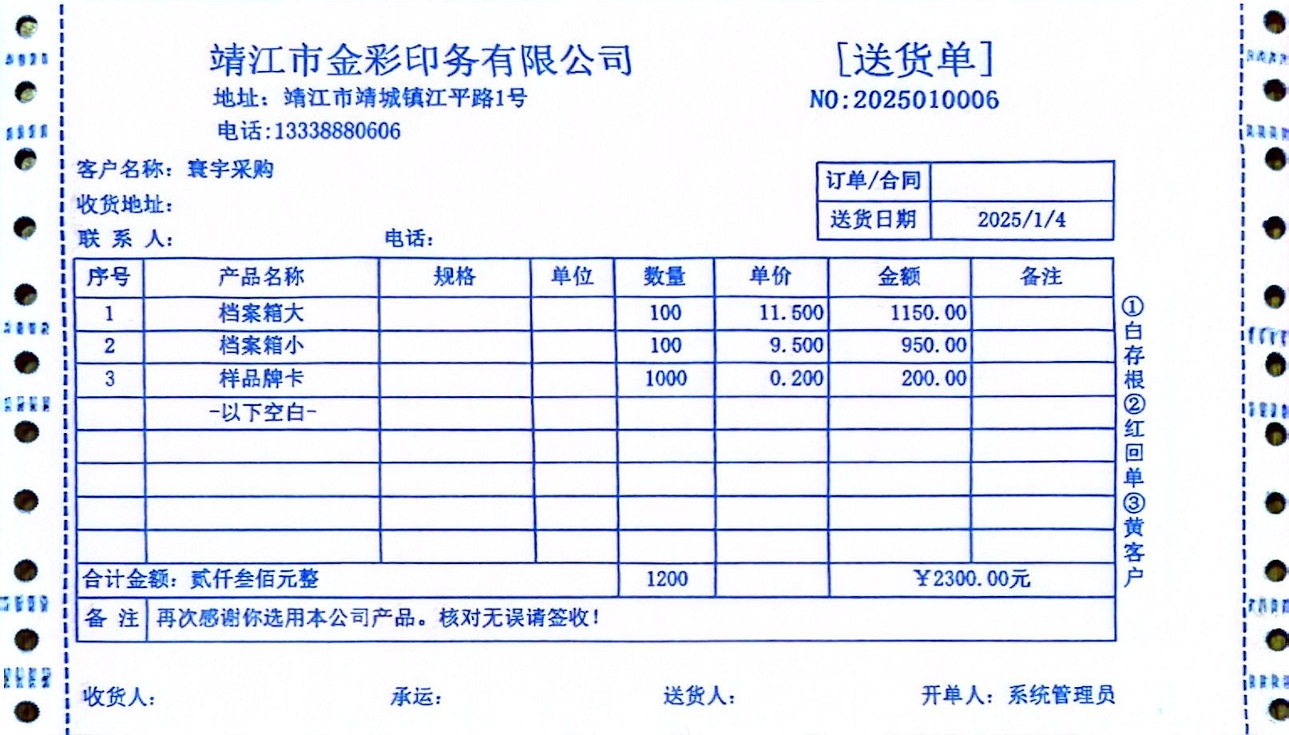

7-Jan-25
Paper storage boxes and labels:RMB2,300
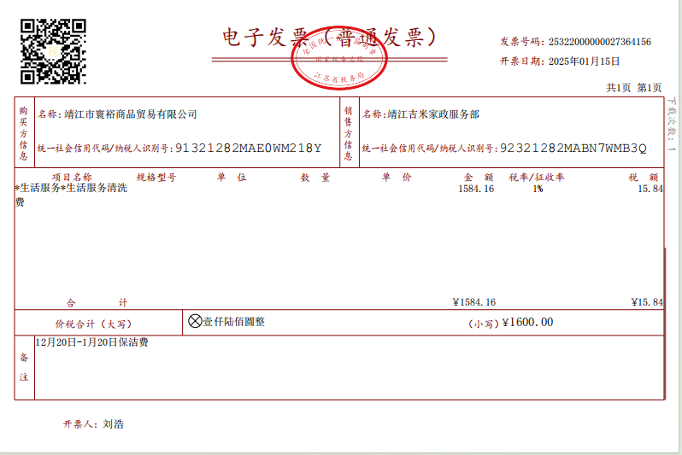

15-Jan-205
Cleaning service fee：RMB1,600
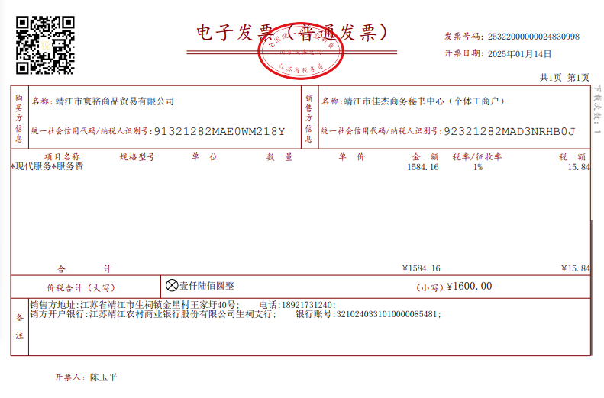

14-Jan-25
Company Reg. Amendment Fee and seal( 306):RMB1,600
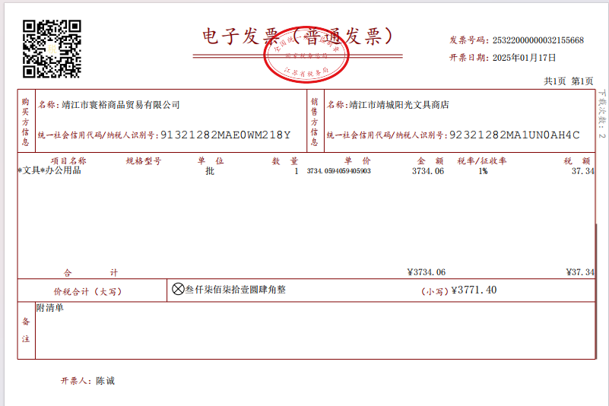

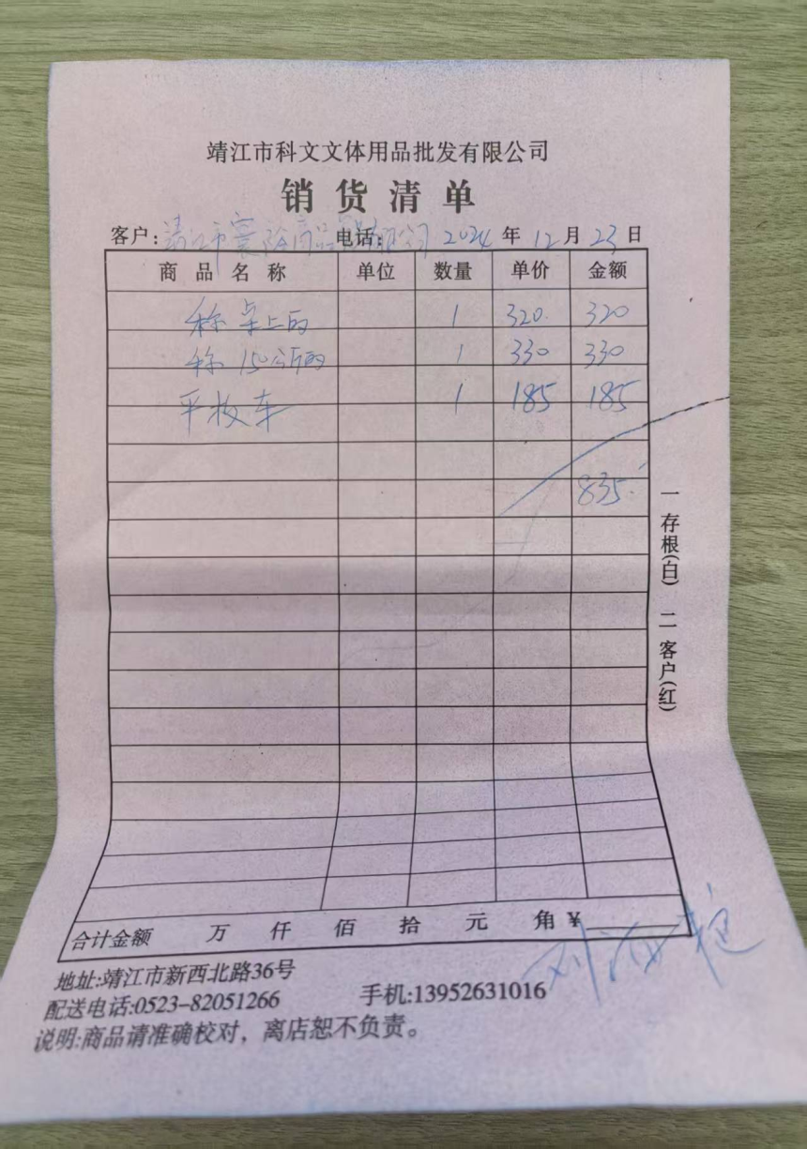

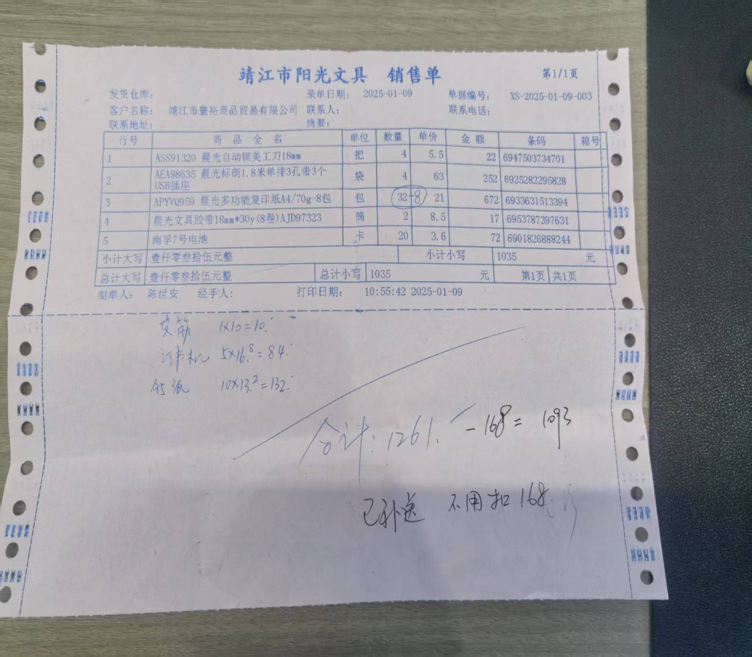

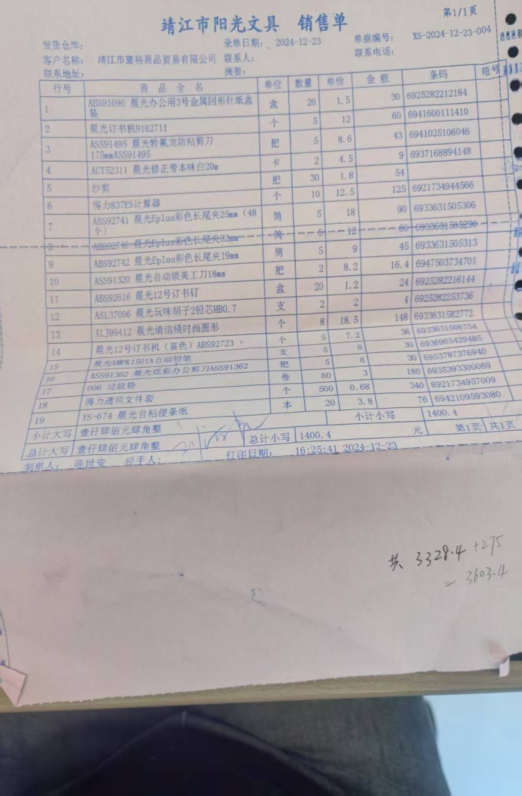

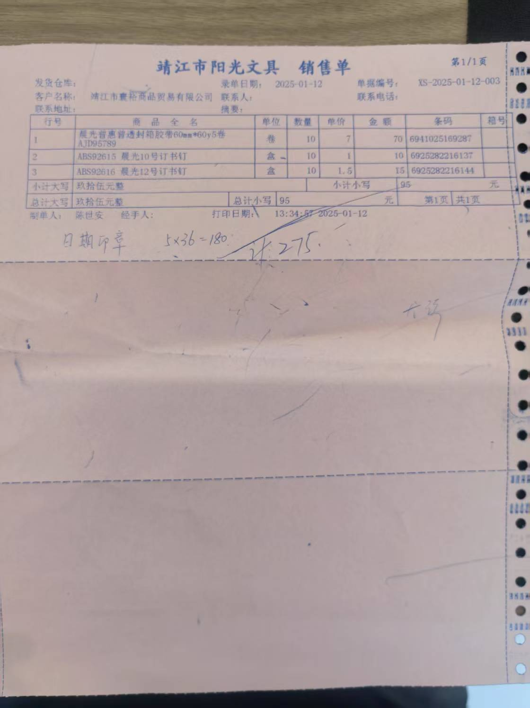

17-Jan-25
Office supplies:RMB835+RMB1,261+RMB1,400.4+RMB275=RMB3,771.4

